About
PLANAbPiaSY Potential Land Area Newly Affected by Policy in a Single Year

Sources: | NR Can |  |  |  |  | Council of Canadian Academies
 | The State of Canada's Forests
 | Annual Report 2022
 | https://natural-resources.canada.ca/sites/nrcan/files/forest/sof2022/SoF_Annual2022_EN_access.pdf |  |  |  |  | https://cca-reports.ca/wp-content/uploads/2021/03/Carbon-Sinks_EN_CH-3_Forests.pdf

 | NR Can
 | Inventory and land-use change
 | Date modified: 2022-04-14
 | https://natural-resources.canada.ca/climate-change-adapting-impacts-and-reducing-emissions/climate-change-impacts-forests/carbon-accounting/inventory-and-land-use-change/13111#inventory
 | (for total area of managed forest)

 | Peat and Peatlands
 | Peat and Peatlands Statistics
 | http://peatmoss.com/peat-moss-industry-figures/
 | (for peatland restoration)

 | Canadian Sphagnum Peat Moss
 | 2017 Statistics about Peatland Areas Managed for Horticultural Peat Harvesting in Canada
 | https://tourbehorticole.com/wp-content/uploads/2020/01/Summary_2016_2017_Indutry_Statistic_AREAS_WEB.pdf
 | (for peatland restoration)
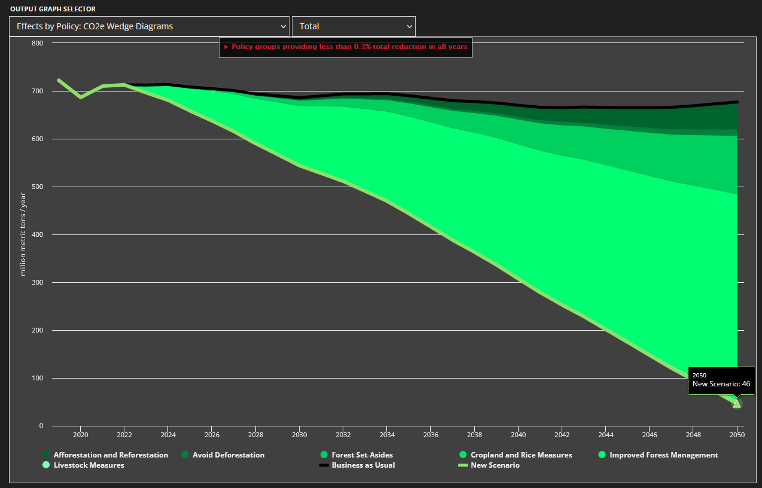

Notes
Units: | ha to acre conversion:
 | 1ha= | 2.47105

NR Can Data:
 | State of Canada's Forests 2022
 |  | million ha |  | data yr
 | TOTAL | 361.73
 | deforested | 0.05 |  | 2020
 | sustainably managed | 158.39 |  | 2021
 | regenerated | 0.45 |  | 2020
 | harvested | 0.71 |  | 2020
 | forest fire | 4.31 |  | 2021
 | protected | 32.92 |  | —
 | insects | 17.77 |  | 2020
 |  | 214.59652233

 | State of Canada's Forests 2022 | Hectares | million ha |  | data year

 | Total | 361,732,641 | 361.73 |  | 2022
 | Other wooded land | 36,249,346 | 36.25 |  | 2022
 | Other land with tree cover | 12,662,714 | 12.66 |  | 2022

 | deforested | 49,352 | 0.05 |  | 2020
 | sustainably managed | 158,391,456 | 158.39 |  | 2021
 | regenerated | 451,573 | 0.45 |  | 2020
 | harvested | 710,333 | 0.71 |  | 2020
 | forest fire | 4,307,520 | 4.31 |  | 2021
 | protected (9.1%) | 32,917,670 | 32.92 |  | —
 | insects | 17,768,618 | 17.77 |  | 2020

